TECH SHEET
DATE | 2026-05-29 | DATE | 2026-05-29
SEASON | AW2627 -BULK INSTRUCTIONS | SEASON | AW2627 -BULK INSTRUCTIONS
CUSTOMER/LABEL | THE JACK LEATHERS | CUSTOMER/LABEL | THE JACK LEATHERS
SUPPLIER | PAKKAR | SUPPLIER | PAKKAR
STYLE NAME | SHINOBI KNIT with detachabe padded lining | STYLE NAME | DETACHABLE of style SHINOBI KNIT
DESCRIPTION | MAN BOMBER WITH ZIPPER CLOSURE- SLEEVES & BACK IN | DESCRIPTION | DETACHABLE BODY AND SLEEVES
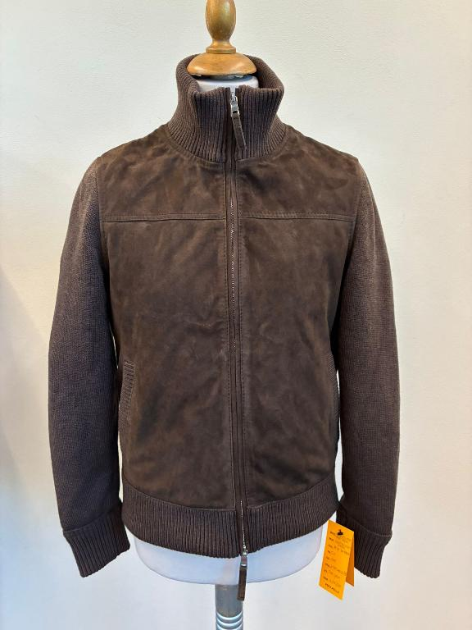 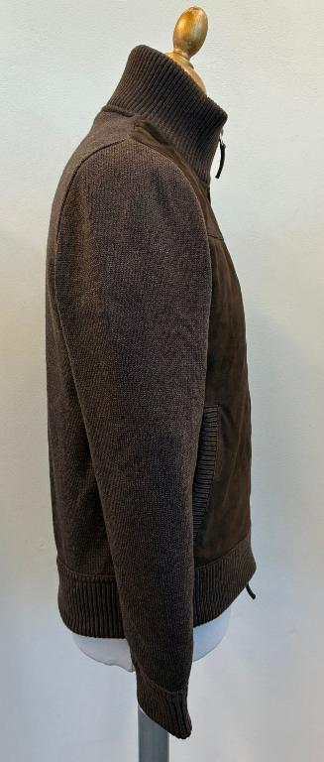 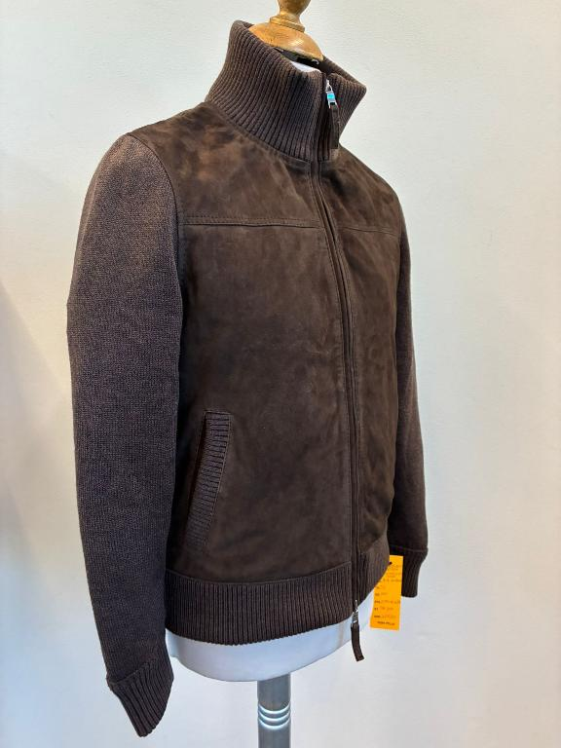 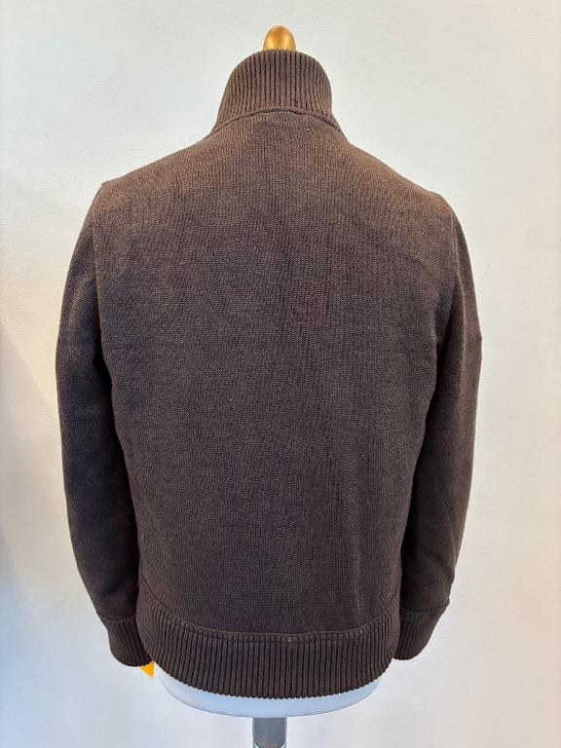 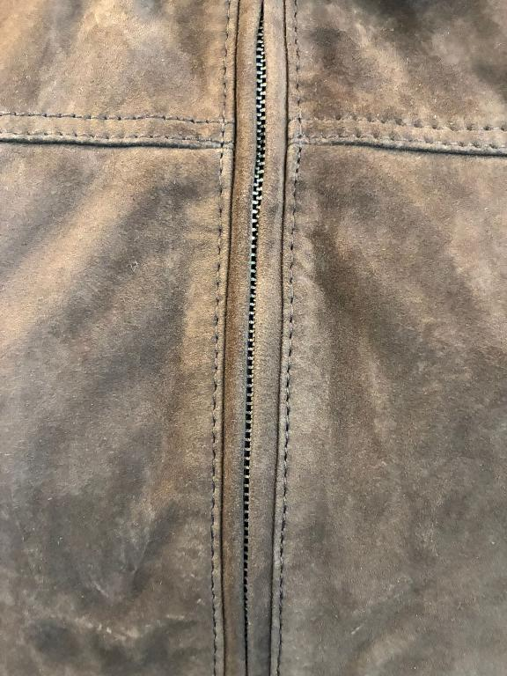 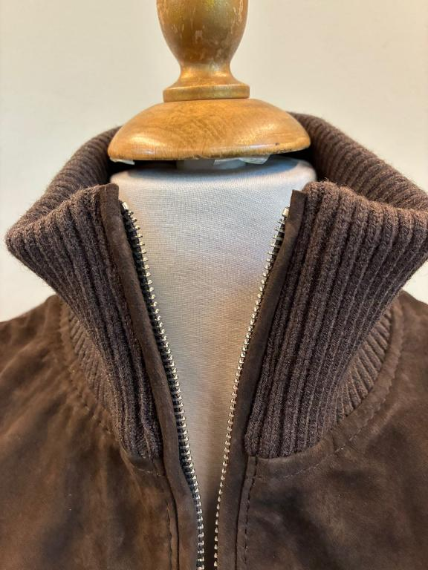 PICTURE |  | 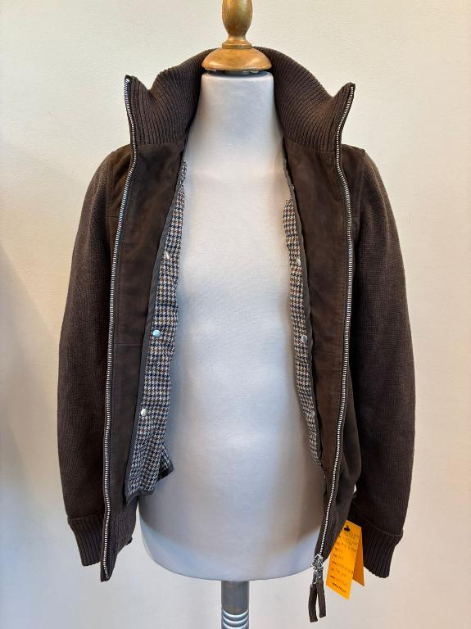 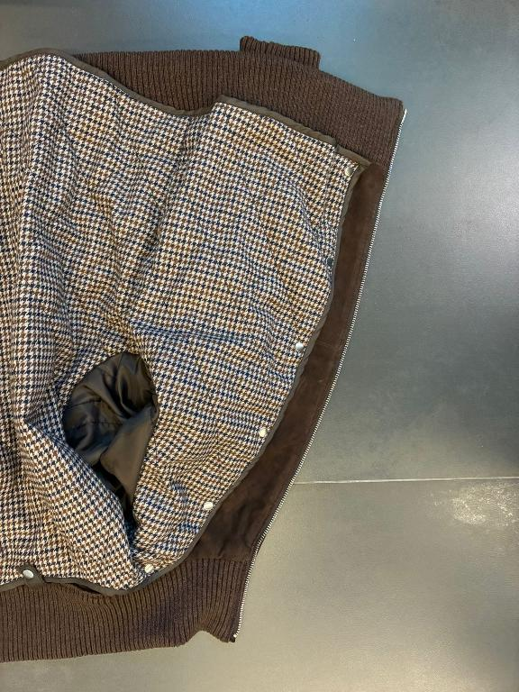 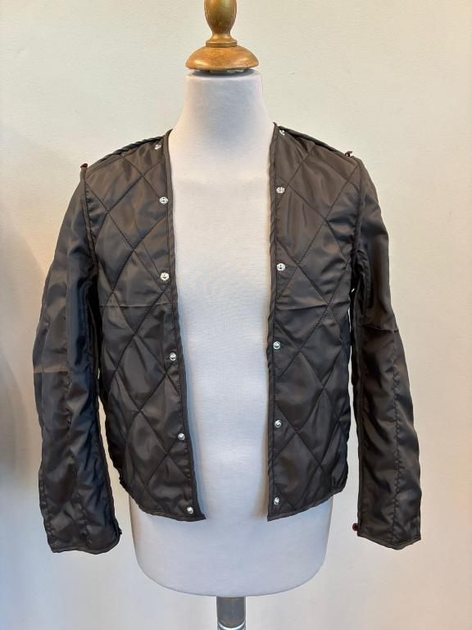 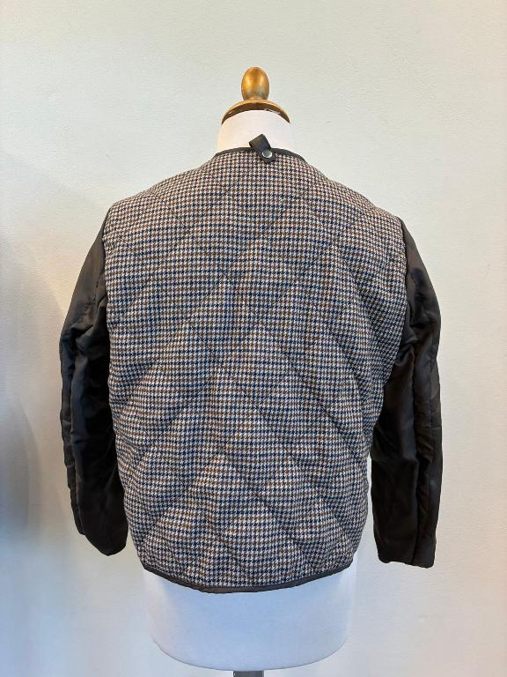
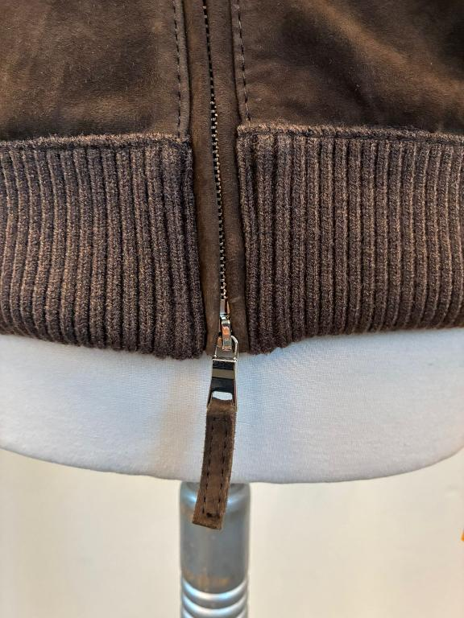 LEATHER QUALITY | WINTER GOAT SUEDE, TAKE CARE TO SUEDE QUALTY, HIGH QUALITY WRITING BUT NOT TOO BUSHY, NO OPEN DEFECT, NO WHITE SPOT, NO BACK BONES, NO FOLD MARKS >>PPS SUEDE OK BUT LITTLE STIFF, IMPROVE IN BULK >>AVOID BUSHY PARTS, AVOID WHITISH SUEDE, AVOID VEINS, AVOID STAINS >NOT WASHED SUEDE >SUEDE SHOULD BE BRILLANT, WRITING EFFECT AND SOFT, NOT BUSHY IT MUST HAVE SHORT NAP, NOT OILY, SUEDE MUST BE FULL OF COLOR >>FADED AND BUSHY SKINS ARE NOT ACCEPTABLE >NO MISMATCHING PANELS, NO OPEN DEFECTS, NO VEINS MARKS >NO BUSHY SUEDE, NO OIL STAINS, NO LEATHER MARKS >THE HAIR SUEDE WAY SHOULD BE IN SAME DIRECTION IN ALL PCS OF THE GARMENT WHEN HAMMERED, THE SUEDE MUST NOT TURN WHITISH >>WINTER SUEDE SUBSTANCE 0,7-0,8 mm, OK AS PER SMS/PPS ______________ >front panels in SUEDE + >>sleeves // back // double collar rib//pocket welt//bottom double rib in KNITTING >>>COLLAR AND RIBBED PARTS DOUBLE | 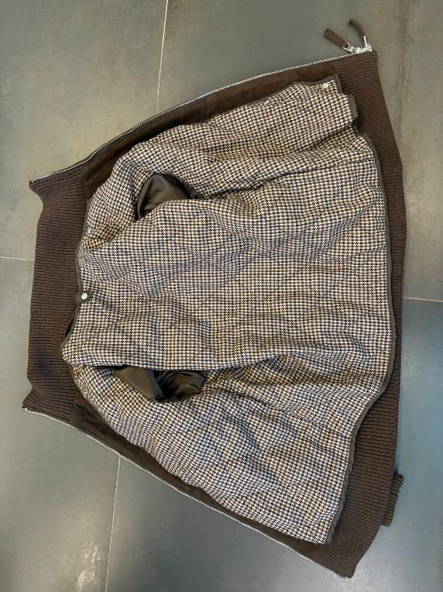 | >PLEASE USE WOOLISH TEXTILE art ANNA 3000 col 178, BROWN/BLUE PIED DE POULE, PROVIDED BY US --> art ANNA 3000 col 178, BROWN/BLUE PIED DE POULE FIXED FOR ALL BULK COLORS • USE OUR TEXTILE FOR THE BODY ONLY, IN THE VISIBLE AREA WHEN ATTACHED, OK AS PER SMS/PPS • THE EDGE BINDING OF THE DETACHABLE PART MUST BE MADE IN POLY LINING FABRIC, CLOSELY MATCHING THE WOOL-LIKE LINING COLOR, OK AS PER SMS/PPS >>THE BIDING MUST NOT HAVE "TURN" EFFECT • DETACHABLE LINING → FOR ALL "HIDDEN" LINING PARTS USE LIGHT POLY SATIN/TAFFETÀ CLOSELY MATCHING THE WOOLISH FABRIC. LINING FABRIC TO BE PROVIDED BY YOU, OK AS PER SMS/PPS
 |  | 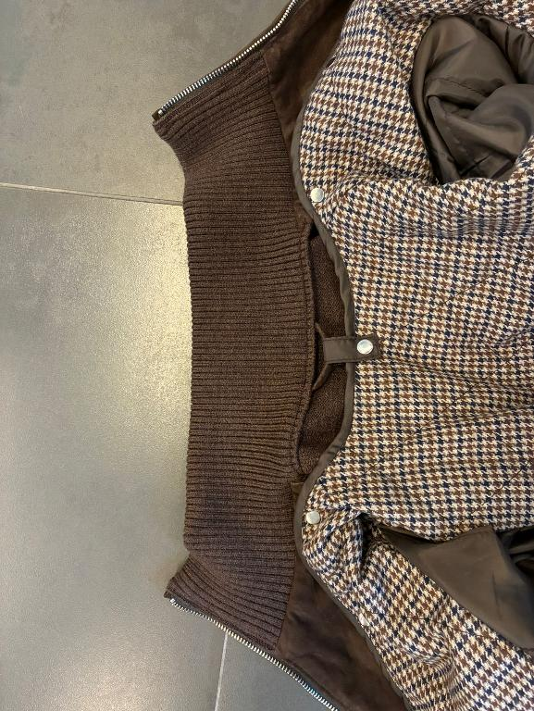 | FOR BACK PART BODY AND SLEEVES & SLEEVES LINING (PARTS NOT VISIBLE) PLEASE USE POLYESTER FABRIC, PROVIDED BY YOU, MATCHING art WOOLISH TEXTILE COLOR, OK AS PER SMS/PPS
PLEASE ENSURE THAT BULK KNIT PANELS DO NOT SHOW FOLD MARKS, COLOR DEFECTS, OR LARGE INCLUSION DEFECTS.
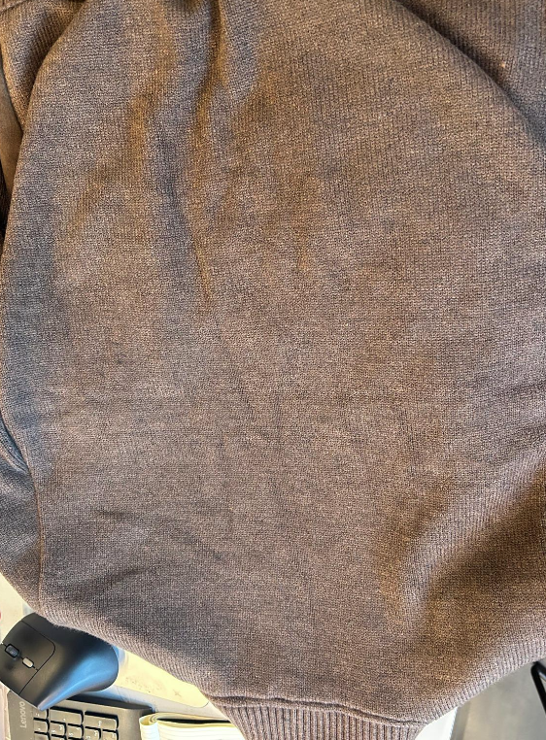 KNITTING | KNITTING -> acrylic quality, gauge, washing, finishing CONFIRMED AS PER SMS/CONFIRMED AS PER SMS. PLEASE ENSURE THAT BULK KNIT PANELS DO NOT SHOW FOLD MARKS, COLOR DEFECTS, OR LARGE INCLUSION DEFECTS. KNITTING TO BE ORDERED TO KG SUPPLIER • SLEEVES IN FLAT KNITTING WITH SEPARATE 2X2 RIBBED CUFF PART. CUFF TO BE STITCHED OVER THE SLEEVE PANEL, WITH VISIBLE EDGE-BORDER AND DOUBLE STITCHING AT 1cm. OK AS PER SMS/PPS • BACK PANEL IN FLAT KNITTING + SEPARATE DOUBLE RIB FOR THE BOTTOM BODY. • THE BOTTOM RIB IS ONE SINGLE PIECE FOR BOTH FRONT AND BACK BODY •BOTTOM RIB TO BE STITCHED OVER THE BACK/FRONT PANELS, WITH VISIBLE EDGE-BORDER AND SINGLE EDGE STITCHING. OK AS PER SMS/PPS • BOTTOM RIB, CUFF RIB AND COLLAR RIB PARTS ARE CONFIRMED DOUBLE AND IN 2X2 WEAVING, OK AS PER SMS/PPS → KINDLY ASK TO KNITTING SUPPLIER THAT THE CUFFS AND THE BOTTOM RIB HAVE SUFFICIENT ELASTICITY AT THE EDGES TO PREVENT THE RIB FROM FLARING OPEN AND TO ENSURE IT STAYS CLOSE TO THE BODY • THE RIB COLLAR SHOULD BE STITCHED WHILE SLIGHTLY PULLING, OK AS PER PPS • WELT POCKET FOR SMS IS MADE IN FLAT KNITTING WITH 2.5 CM WIDE WELT, AND THE KNITTING DIRECTION IS HORIZONTAL, OK AS PER SMS/PPS | BUTTONS | >PLEASE USE VISIBLE SMALL PRESS-BUTTON IN NICKEL ON DETACHABLE PADDED LINING, OK AS PER PPS WE WOULD LIKE "MALE" PART ON THE DETACHABLE LINING AND THE FEMALE PART ON THE JKT, OK AS PER SMS/PPS • WORKMANSHIP OK FOR THE LOOP ON THE CENTER‑BACK COLLAR, MAKE IT IN LINING FABRIC, OK AS PER PPS ------------------ >SMALL PLASTIC BUTTONS (10mm), 2 HOLES, ON DETACHABLE PADDED LINING, MATCHING WOOLISH TEXTILE COLOR, TAKE CARE OF CORRET COLOR TO ORDER -> PLASTIC BUTTONS PLACEMENT: 1pc ON EACH CUFF (INSIDE PART OF CUFF WHERE THERE IS THE STITCHING ALLOWANCE ) + 2pcs ON ARMHOLE (top armhole and armpit) >ELASTIC SMALL TAPE EYEHOLES ON JACKET, MATCHING LINING COLOR 1pc ON EACH CUFF (INSIDE PART OF CUFF WHERE THERE IS THE STITCHING ALLOWANCE ) + 2pcs ON ARMHOLE (top armhole and armpit)
 |  | 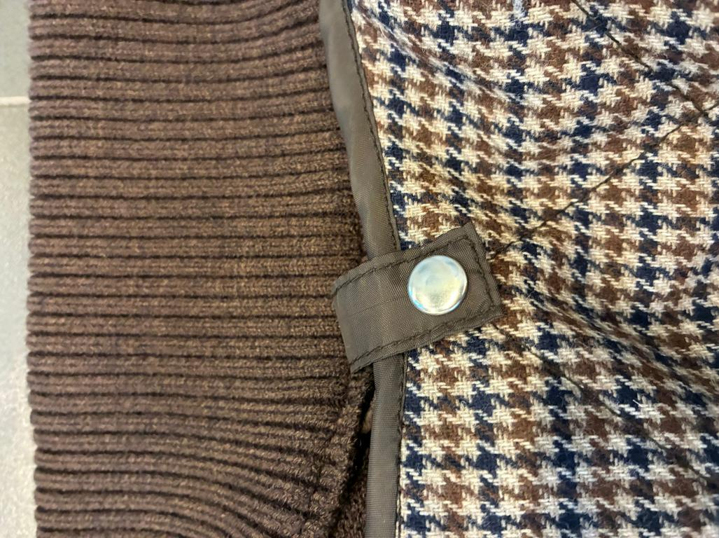
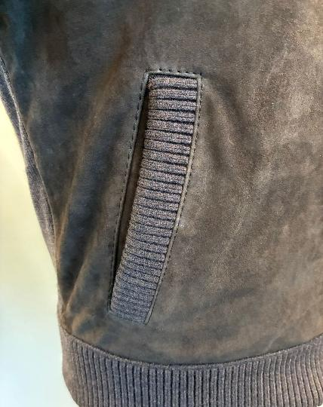 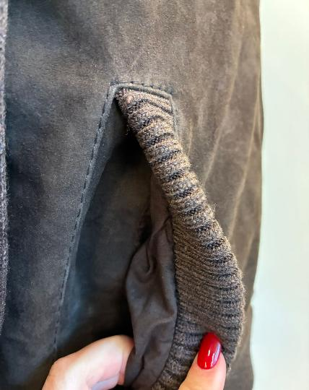 COLOUR/S | > code #129: suede RICE--> PLEASE FOLLOW THE NEW LEATHER SWATCH SENT YOU FOR REFERENCE COLOR TO COPY IN COLOR/TONE/SHADE + knitting BEIGE MELANGE ______________________ > code #572: suede PINE GREEN--> OK AS PER SMS style FRANCIS KNIT seal n°403, sent you back to be copy in color/shade/tone + STONE MELANGE ______________________ > code #06 suede DARK BROWN--> OK AS PER SMS style ADELE KNIT seal n°409, sent you back to be copy in color/shade/tone + CHOCO BROWN MELANGE (EX MARRONE MELANGE) ______________________ code #309 suede DARK BROWN--> OK AS PER SMS style ADELE KNIT seal n°409, sent you back to be copy in color/shade/tone + DARK BLUE | PADDING | DETACHABLE LINING FILLED WITH POLYESTER PADDING QUILTED, GRAMMAGE OK AS PER SMS/PPS DETACHABLE PADDED LINING TO BE MADE WITH: >SOFT- HIGH-QUALITY POLYESTER INDIAN PADDING, provided by you >USE 40–60 GRAM PADDING TO ENSURE VISIBLE BUMP EFFECT ON BODY QUILTING, OK AS PER SMS/PPS >BODY IN WOOLISH TEXTILE WITH DIAMOND QUILTING (10.5 CM HEIGHT × 8.5 CM WIDTH), OK AS PER SMS/PPS >USE VERY THICK THREAD FOR QUILTING, MATCHING BASE MATERIAL COLOR >SLEEVES TO HAVE ONLY LARGE VERTICAL QUILTING

PATTERN | DISREGARD THE PPS PATTERN, IT IS NO LONGER VALID AMENDED GRADED PATTERN IS UNDER DEVELOPMENT AND WILL BE READY SOON THE AMENDMENTS INVOLVE BOTH THE KNITTING PARTS AND THE DETACHABLE LINING FITTING | LABELLING | LABELLING WITH DEBOSSED PRINT--> MISSING ON PPS IMPROVE IN BULK *PLEASE MAKE FOR MAIN LABEL LEATHER STRIP (DOUBLE LAYERS) 8cm x 2cm WITH EMBOSSED PRINT "The Jack SIDES VERTICAL STITCHING ONLY, THE PRINT MUST BE WELL READABLE, TAKE CARE OF PRINT TECHNIQUE *PLACEMENT UNDER COLLAR *PLEASE MAKE A SIZE LABEL, LEATHER STRIP (DOUBLE LAYERS) 5,2 cm x 1,3cm WITH EMBOSSED PRINT size 50, 52,..... SIDES VERTICAL STITCHING ONLY *PLACEMENT INSIDE, UNDER MAIN LABEL >TAKE CARE WITH THE PRINT. THE LOGO AND SIZE LABEL SHOULD BE WELL READABLE AND THE PRINT SHOULD BE PLACED IN THE CENTER OF THE SUEDE RECTANGLES "3SEASONS" LABEL ON DETACHABLE LINING UNDER THE EMBOSSED LABELS, LABEL PROVIDED BY US --> MISSING ON PPS IMPROVE IN BULK 3SEASON LABEL ONLY ON DETACHABLE PADDED LINING, NO ON SUEDE JKT 3SEASON LABEL STITCHED ALL AROUND WITH MATCHING LABEL COLOR THREAD TAKE CARE TO MAKE PRECISE STITCHING NO FLYING THREADS
 | LINING & TRIMS
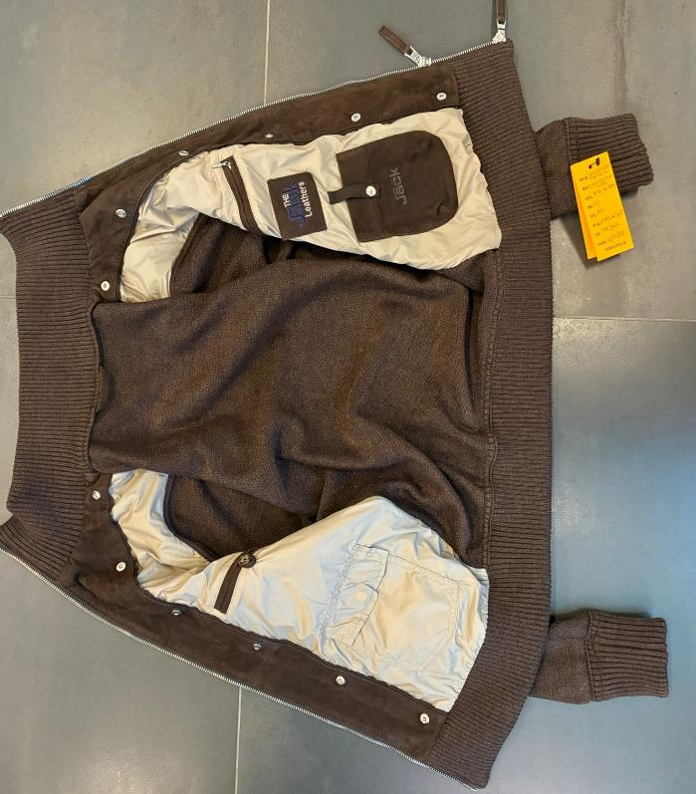 BODY & SLEEVES LINING | >SUEDE BODY FRONT PANELS ARE LINED + LEATHER FACING, OK AS PER SMS FOR FRONT SUEDE PANELS KINDLY USE NYLON TEXTILE art FICUS, USE THIS FABRIC FROM DULL SIDE , TEXTILE PROVIDED BY US TAKE CARE TO AVOID WRINKLES ON LINING STITCHING. KINDLY SET THE THREAD TENSION CAREFULLY for code 129 RICE--> use linng art FICUS col 1933 BROWN for code 572 PINE GREEN--> use linng art FICUS col 1936 GREEN for code 06 DARK BROWN--> use linng art FICUS col 1948 BEIGE for code 309 --> use linng art FICUS col 1933 BROWN LINING CONSTRUCTION, OK AS PER SMS/PPS >LINING 2 CHEST POCKETS WITH DOUBLE LEATHER WELTS LEFT ONE WITH LEATHER LOOP + BUTTON, COROZO BUTTON col greige SIZE 28, PROVIDED BY US --> BUTTON USED ON PPS IS SUBSTITUTED RIGHT ONE WITH NYLON ZIPPER, MATCHING LINING COLOR WITH NICKEL DROP SHAPED PULLER >LINING 2 BOTTOM PATCH POCKETS >LEATHER PHONE POCKET WITH EMBOSSED LOGO AND CLOSED BY GROS TAPE + 1 PRESS-BUTTON SPRING TYPE with EMBOSSED LOGO THE JACK >PHONE POCKET MEASUREMENTS 11cm WIDE AND 14cm HIGH >GROS GRAIN-TAPE ON PHONE POCKET SHOULD BE 1,5cm WIDE >TEXTILE BIG POCKET WITH FLAP CLOSED BY 1 HIDDEN PRESS BUTTON,SPRING TYPE >>TAKE CARE ABOUT THIS PRESS BUTTON: IT MUST NOT BE HARD TO OPEN/CLOSE, AND PLEASE REINFORCE THE BACK OF THE PRESS BUTTON TO PREVENT THE TEXTILE/LEATHER FROM TEARING >SUEDE HANGER LOOP, 6,5cm WIDE >>BACK PANEL IN KNIT OBVIOUSLY IS NOT LINED
 |  | SUB ZERO+ECO DOWN LABELS | PLEASE STITCH "SUB ZERO" WOVEN LABEL --> MISSING ON PPS IMPROVE IN BULK PLACEMENT ON SIDE LEFT DETACHABLE SIDE, NOT ON RIGHT SIDE PLEASE NOTE TO STICH THIS LABEL ONLY AT SIDES AND WITH RED THREAD, RED THREAD MATCHING RED LETTERING OF LABELS SUB ZEROLABEL PROVIDED BY US SUB ZERO LABEL TO BE STITCHED ONLY FOR DETACHABLE PADDED LINING, NO ON SUEDE JKT TAE CARE OF THIS STITCHING AVOID ROUGH WORKMANSHIP: TNO FLYING THREADS AND IMPRECISE STITCHING
SLEEVES LINING | NO SLEEVES LINING, SLEEVES ARE IN KNIT AND ARE UNLINED THE INSIDE ARMHOLE SHOULD HAVE NICE FINISHING, WITH LIGHT COTTON CLOTH, MATCHING KNIT COLOR TO HIDE THE KNIT ALLOWANCES, OK AS PER SMS/PPS >>USE THE TEXTILE IN A BIAS/CROSS DIRECTION TO PROVIDE MORE FLEXIBILITY. THIS BINDING MUST BE SOFT TO AVOID AFFECTING THE ARMHOLE FITTING. IN BULK PRODUCTION, ENSURE THE FINAL OUTSIDE APPEARANCE IS FLAT, WITHOUT ANY “CROWN EFFECT
GROS GRAIN TAPE FOR PHONE POCKET CLOSURE & BETWEEN BODY FACING & LINING | KINDLY USE GROS GRAIN TAPE MATCHING SUEDE COLOR , 1,5cm WIDE, GROS GRAIN TAPE PROVIDED BYOU >>GROS GRAIN TAPE BETWEEN BODY FACING AND LINING, VISIBLE 4mm MAX , OK AS PER PPS SELECT GOOD QUALITY OF GROS GRAIN TAPE NO THIN QUALITY, NO SHINY TAPE, QUALITY OK AS PER SMS/PPS
BUTTONS | _
> SUEDE WELTS COVER MAIN ZIPPER TEETH, OK AS PER SMS/PPS, THESE WELTS SHOULD BE FLAT AND HAVE A REGULAR WIDTH ALONG ALL LENGHT, TAKE CARE
 ZIPPERS | PLEASE USE HIGH SHINY FINISHING ZIPPER SBS IN NICKEL HIGH SHINY FINISHING, OK AS PER SMS/PPS >THE ZIPPER FINISHING SHOULD BE HIGH SHINY IN TEETH, SLIDERS and PULLERS TAKE CARE THAT ZIPPERS LOCK AND CLOSE EASILY WITHOUT PROBLEMS, CHECK THE BULK ZIPPERS >MAIN ZIPPER N°5 DOUBLE SLIDERS, OK AS PER SMS/PPS STITCH THE ZIPPER FLAT, WITH NO WAVY STITCHING THAT CREATES WRINKLES ON THE PANEL --> SUEDE WELTS COVER MAIN ZIPPER TEETH, OK AS PER SMS/PPS, THESE WELTS SHOULD BE FLAT AND HAVE A REGULAR WIDTH ALONG ALL LENGHT, TAKE CARE SUEDE ZIPPER WELTS GO FROM TOP OF COLLAR UNTIL THE BOTTOM EDGE OF BOTTOM RIB, OK AS PER SMS → PLEASE TAKE CARE WITH THIS PARTICULAR WORKMANSHIP TO AVOID PULLING OR STRETCHING THE TOP AND BOTTOM RIB AND COLLAR RIB, IN ORDER TO HAVE ALLIGNED LINE AND NOT "ARROWED" >MAN PULLER SHAPE, OK AS PER SMS LEATHER PULLERS, 4cm LONG X 0,9cm WIDE STITCHED ALL AROUND, WITH THICK THREAD, OK AS PER SMS, TAKE CARE OF STITCHING
RIBS | >THE FRONT BOTTOM RIB IS KNITTED MATERIAL AS KNITTED PANELS BUT 2X2 THE RIBBED PARTS (CUFFS & BOTTOM) ARE DOUBLE LAYERS AND STITCHED OVER THE PANELS, OK AS PER SMS/PPS KINDLY MAINTAIN THE BOTTOM RIB-HEIGHT STANDARD ALONG THE ENTIRE CIRCUMFERENCE KINDLY PAY ATTENTION TO THE STITCHING OUTSIDE THE RIB, MAKING IT VERY PRECISELY, OK AS PER PPS THE CUFFS SHOULD BE PROPERLY FINISHED IN THE CLOSING STITCHING. OK AS PER PPS CLEAN THE EDGE OF RIB WITHOUT SPOILING THE KNIT WEAVING
PADDING | NO PADDING FOR SUEDE JACKET
LABELLING | 1_MAIN LABEL, OK AS PER SMS--> MISSING ON PPS IMPROVE > THE EMBOSSED LABEL "JACK" IN LEATHER TO BE STITH INSIDE COLLAR, PLEASE LIASE WITH MR AEJAZ TO GET THIS LABEL 2 HOLES TYPE col DARK BROWN >HAND STITCH ON INSIDE NECKLINE ON COLLAR PIPING, FIX WELL THIS LABEL, IT MUST NOT DETACH 2_EMBROIDERY LABEL, OK AS PER SMS/PPS > EMBROIDERED LEATHER LABEL TREATED AS PER JACKET: MAKE THE LOGO "THE JACK LEATHERS" EMBROIDERED ON A SUEDE RECTANGLE, WITH FOLDED EDGES AND EDGE STITCHING TO FIX LINING TEXTILE >MAIN LABEL RECTANGLE TO BE STITCHED ALL AROUND, PLACEMENT UNDER CHEST POCKET LINING AND ABOVE THE PHONE POCKET *"THE " and " LEATHERS" LOGO EMBROIDERED WITH COL. DARK GREY, FIXED FOR ALL SUEDE COLORS *"JACK" LOGO EMBROIDERED IN COLOR DARK BLUE, FIXED FOR ALL SUEDE COLORS --------- 3_LEATHER HANGTAG EMBROIDERED WITH "THE JACK LEATHERS", EMBROIDERY COLORS SHOULD BE AS PER MAIN LABEL *EMBROIDERIES WITH SAME COLORS AS MAIN LABEL *BACK PART OF HANGTAG IN LINING FABRIC *FOLDED EDGES + 3mm STITCHING *LEATHER HANG TAG with nickel EYELET Ms Luana already sent the labelling instructions
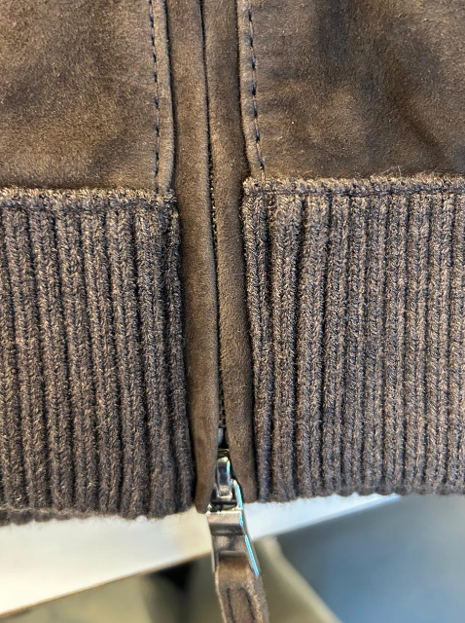
TAKE CARE OF SIMMETRY, ALSO TO BOTTOM RIB FOCUS
TAKE CARE OF STITCHING AT RIB COLLAR AND LEATHER WELTS
FIRSTLY, THEY MUST BE WELL STITCHED WITHOUT ANY IMPERFECTIONS., improve
SECONDLY, ENSURE THE ZIP PULLER RUNS SMOOTHLY WITHOUT BLOCKING.
PRINTED LABELS | PRINTED LABELS, provided by you --> IMPROVE IN BULK SOME MISSING ON PPS 1st PLACE *SIZE LABEL 2nd PLACE *FACEBOOK INSTAGRAM 3rd PLACE *DISTRIBUITO DA 4th PLACE *WASH CARE LABEL 5th PLACE *MADE IN INDIA ->THESE PRINTED LABELS PROVIDED BY YOU SHOULD BE WITH BLACK GROUND AND WHITE LETTERING/PRINT STITCHED ON THE WEARER'S LEFTJACKET LINING SIDE
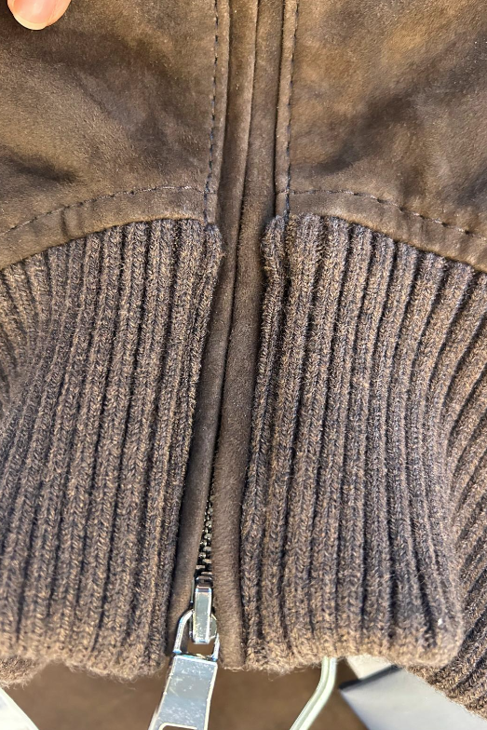 STITCHING | >FOR SHOW STITCHING PLEASE USE BIGGEST THREAD AS POSSIBLE (THREE PLY, TKT 10) , MATCHING BASE COLOR >>OK AS PER PPS DOUBLE STITCHING ON YOKE, OK AS PER SMS/PPS SINGLE STITCHING AT 0,6 FOR NECKLINE AND ARMHOLE, OK AS PER SMS /PPS NO BACK ARMHOLE STITCHING, OK AS PER PPSPROVE TAKE CARE OF SIMMETRY, ALSO TO BOTTOM RIB FOCUS, OK AS PER PPS TAKE CARE OF STITCHING AT RIB COLLAR AND LEATHER WELTS, improve in bulk >>FIRSTLY, THEY MUST BE WELL STITCHED WITHOUT ANY IMPERFECTIONS >>SECONDLY, ENSURE THE ZIP PULLER RUNS SMOOTHLY WITHOUT BLOCKING
OTHER COMMENTS | >>>IMPORTANT<<< THE KNITTED SLEEVE STITCHING SHOULD BE ELASTIC AND SHOULD SUPPORT THE STRETCHING/PULLING and SHOULD NOT GET BROKEN
TAKE CARE OF DELIVERY PACKING AVOID IMPRESSION OF CARTON TAGS, ZIPPER, PKTS, SLEEVES ON THE JKT

